S Str&Pad
Myanmar |  |  | perc_baseline |  | perc_target |  | RR_d | RR_i | perc_fatal_side | perc_nonfatal_side |  |  |  | lcl_bl_deaths | lcl_bl_nonfatal |  | affected_deaths | rest_deaths | affected_deaths= affected_deaths* (1 - `prop_target'*(1-`RR_d'))/(1 - `prop_baseline'*(1-`RR_d'))
REG | TECHNOLOGY |  | CURRENT AVAILABILITY | INTERVENTION | COUNTERFACTUAL USE | Affected Groups | RELATIVE RISK (death) | RELATIVE RISK (injury) | PROP. OF SIDE CRASHES (death) | PROP OF SIDE CRASHES (injuries) | POPULATION AFFECTED |  |  | BASELINE DEATHS | BASELINE INJURIES | AFFECTED GROUP | AFFECTED DEATHS |  | INTERVENTION
UN 95, UN 135 | SIDE STR&PADD |  | 0 | SIDE STRUCTURE IN ALL CAR, TRUCK, BUS | 1 | Occupants | 0.79 | 0.79 | 0.25 | 0.337
 |  |  |  |  |  |  |  |  |  |  | Cause | Sex | Age | Deaths | Injuries | NO=0 / YES=1 | Deaths | Deaths | Deaths
 |  |  |  |  |  |  |  |  |  |  | Pedestrian | Male | <5 years | 8 | 49 | 0 | 8.21 | 0.00 | 8
 |  |  |  |  |  |  |  |  |  |  | Pedestrian | Male | 5-9 years | 12 | 273 | 0 | 11.61 | 0.00 | 12
 |  |  |  |  |  |  |  |  |  |  | Pedestrian | Male | 10-14 years | 13 | 694 | 0 | 12.97 | 0.00 | 13
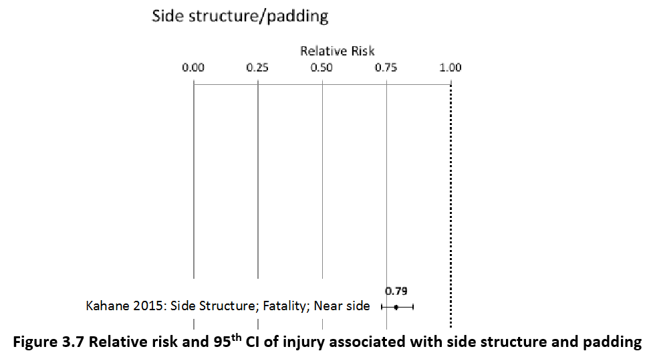
 |  |  |  |  |  |  |  |  |  |  | Pedestrian | Male | 15-19 years | 33 | 1957 | 0 | 33.04 | 0.00 | 33
 |  |  |  |  |  |  |  |  |  |  | Pedestrian | Male | 20-24 years | 44 | 2688 | 0 | 44.34 | 0.00 | 44
 |  |  |  |  |  |  |  |  |  |  | Pedestrian | Male | 25-29 years | 27 | 2256 | 0 | 26.98 | 0.00 | 27
 |  |  |  |  |  |  |  |  |  |  | Pedestrian | Male | 30-34 years | 28 | 1768 | 0 | 28.23 | 0.00 | 28
 |  |  |  |  |  |  |  |  |  |  | Pedestrian | Male | 35-39 years | 23 | 1422 | 0 | 23.34 | 0.00 | 23
 |  |  |  |  |  |  |  |  |  |  | Pedestrian | Male | 40-44 years | 22 | 1191 | 0 | 22.23 | 0.00 | 22
 |  |  |  |  |  |  |  |  |  |  | Pedestrian | Male | 45-49 years | 28 | 1037 | 0 | 27.92 | 0.00 | 28
 |  |  |  |  |  |  |  |  |  |  | Pedestrian | Male | 50-54 years | 36 | 924 | 0 | 35.68 | 0.00 | 36
 |  |  |  |  |  |  |  |  |  |  | Pedestrian | Male | 55-59 years | 34 | 851 | 0 | 34.05 | 0.00 | 34
 |  |  |  |  |  |  |  |  |  |  | Pedestrian | Male | 60-64 years | 39 | 643 | 0 | 39.06 | 0.00 | 39
 |  |  |  |  |  |  |  |  |  |  | Pedestrian | Male | 65-69 years | 32 | 338 | 0 | 31.91 | 0.00 | 32
 |  |  |  |  |  |  |  |  |  |  | Pedestrian | Male | 70-74 years | 25 | 207 | 0 | 25.15 | 0.00 | 25
 |  |  |  |  |  |  |  |  |  |  | Pedestrian | Male | 75-79 years | 26 | 171 | 0 | 25.54 | 0.00 | 26
 |  |  |  |  |  |  |  |  |  |  | Pedestrian | Male | 80-84 years | 17 | 88 | 0 | 17.22 | 0.00 | 17
 |  |  |  |  |  |  |  |  |  |  | Pedestrian | Male | 85+ | 11 | 31 | 0 | 10.99 | 0.00 | 11
 |  |  |  |  |  |  |  |  |  |  | Pedestrian | Female | <5 years | 5 | 44 | 0 | 4.95 | 0.00 | 5
 |  |  |  |  |  |  |  |  |  |  | Pedestrian | Female | 5-9 years | 9 | 214 | 0 | 8.82 | 0.00 | 9
 |  |  |  |  |  |  |  |  |  |  | Pedestrian | Female | 10-14 years | 9 | 623 | 0 | 9.21 | 0.00 | 9
 |  |  |  |  |  |  |  |  |  |  | Pedestrian | Female | 15-19 years | 21 | 1531 | 0 | 21.46 | 0.00 | 21
 |  |  |  |  |  |  |  |  |  |  | Pedestrian | Female | 20-24 years | 22 | 1755 | 0 | 22.48 | 0.00 | 22
 |  |  |  |  |  |  |  |  |  |  | Pedestrian | Female | 25-29 years | 17 | 1188 | 0 | 16.97 | 0.00 | 17
 |  |  |  |  |  |  |  |  |  |  | Pedestrian | Female | 30-34 years | 19 | 987 | 0 | 19.33 | 0.00 | 19
 |  |  |  |  |  |  |  |  |  |  | Pedestrian | Female | 35-39 years | 19 | 886 | 0 | 19.00 | 0.00 | 19
 |  |  |  |  |  |  |  |  |  |  | Pedestrian | Female | 40-44 years | 17 | 705 | 0 | 16.98 | 0.00 | 17
 |  |  |  |  |  |  |  |  |  |  | Pedestrian | Female | 45-49 years | 21 | 674 | 0 | 21.14 | 0.00 | 21
 |  |  |  |  |  |  |  |  |  |  | Pedestrian | Female | 50-54 years | 30 | 862 | 0 | 29.83 | 0.00 | 30
 |  |  |  |  |  |  |  |  |  |  | Pedestrian | Female | 55-59 years | 30 | 1021 | 0 | 30.26 | 0.00 | 30
 |  |  |  |  |  |  |  |  |  |  | Pedestrian | Female | 60-64 years | 34 | 924 | 0 | 34.49 | 0.00 | 34
 |  |  |  |  |  |  |  |  |  |  | Pedestrian | Female | 65-69 years | 28 | 644 | 0 | 27.79 | 0.00 | 28
 |  |  |  |  |  |  |  |  |  |  | Pedestrian | Female | 70-74 years | 25 | 437 | 0 | 24.73 | 0.00 | 25
 |  |  |  |  |  |  |  |  |  |  | Pedestrian | Female | 75-79 years | 19 | 276 | 0 | 18.83 | 0.00 | 19
 |  |  |  |  |  |  |  |  |  |  | Pedestrian | Female | 80-84 years | 10 | 160 | 0 | 9.58 | 0.00 | 10
...
Myanmar |  |  | perc_baseline |  | perc_target |  | RR_d | RR_i | perc_fatal_side | perc_nonfatal_side
TOTAL | 5710 | 370146 | 5665 | 362288
 |  | Red.Per. | 0.007875 | 0.021231 |  |  |  |  |  |  | Bicyclist | Male | 50-54 years | 14
 |  |  |  |  |  |  |  |  |  |  | Bicyclist | Male | 55-59 years | 14
SIDE STR&PADD | BASELINE DEATHS | BASELINE INJURIES | SIDE STR&PADD | SIDE STR&PADD |  |  |  |  |  |  | Bicyclist | Male | 60-64 years | 14
Pedestrian | 799 | 29612 | 799 | 29612 |  |  |  |  |  |  | Bicyclist | Male | 65-69 years | 11
Bicyclist | 171 | 11104 | 171 | 11104 |  |  |  |  |  |  | Bicyclist | Male | 70-74 years | 7
Motorcyclist | 3712 | 218386 | 3712 | 218386 |  |  |  |  |  |  | Bicyclist | Male | 75-79 years | 1
Occupant | 857 | 111044 | 812 | 103185 |  |  |  |  |  |  | Bicyclist | Male | 80-84 years | 1
Other | 171 | 0 | 171 | 0 |  |  |  |  |  |  | Bicyclist | Male | 85+ | 1
TOTAL | 5710 | 370146 | 5665 | 362288 |  |  |  |  |  |  | Bicyclist | Female | <5 years | 0
Myanmar
 | BASELINE DEATHS | SIDE STR&PADD
Pedestrian | 799 | 799
Bicyclist | 171 | 171
Motorized Two Wheeler | 3712 | 3712
Motorized Three Wheeler | 0 | 0
Car | 857 | 812
Bus | 0 | 0
Truck | 0 | 0
Other | 171 | 171
 |  |  |  |  |  |  |  |  |  |  | Bicyclist | Female | 5-9 years | 1
Myanmar
 | BASELINE INJURIES | SIDE STR&PADD
Pedestrian | 29612 | 29612
Bicyclist | 11104 | 11104
Motorized Two Wheeler | 218386 | 218386
Motorized Three Wheeler | 0 | 0
Car | 111044 | 103185
Bus | 0 | 0
Truck | 0 | 0
Other | 0 | 0
 |  |  |  |  |  |  |  |  |  |  | Bicyclist | Female | 10-14 years | 1
 |  |  |  |  |  |  |  |  |  |  | Bicyclist | Female | 15-19 years | 2
 |  |  |  |  |  |  |  |  |  |  | Bicyclist | Female | 20-24 years | 2
 |  |  |  |  |  |  |  |  |  |  | Bicyclist | Female | 25-29 years | 2
 |  |  |  |  |  |  |  |  |  |  | Bicyclist | Female | 30-34 years | 3
 |  |  |  |  |  |  |  |  |  |  | Bicyclist | Female | 35-39 years | 2
 |  |  |  |  |  |  |  |  |  |  | Bicyclist | Female | 40-44 years | 2
 |  |  |  |  |  |  |  |  |  |  | Bicyclist | Female | 45-49 years | 3
 |  |  |  |  |  |  |  |  |  |  | Bicyclist | Female | 50-54 years | 3
 |  |  |  |  |  |  |  |  |  |  | Bicyclist | Female | 55-59 years | 3
 |  |  |  |  |  |  |  |  |  |  | Bicyclist | Female | 60-64 years | 3
 |  |  |  |  |  |  |  |  |  |  | Bicyclist | Female | 65-69 years | 3
 |  |  |  |  |  |  |  |  |  |  | Bicyclist | Female | 70-74 years | 2
 |  |  |  |  |  |  |  |  |  |  | Bicyclist | Female | 75-79 years | 0
 |  |  |  |  |  |  |  |  |  |  | Bicyclist | Female | 80-84 years | 0
 |  |  |  |  |  |  |  |  |  |  | Bicyclist | Female | 85+ | 0
 |  |  |  |  |  |  |  |  |  |  | Motorized Two Wheeler | Male | <5 years | 27
 |  |  |  |  |  |  |  |  |  |  | Motorized Two Wheeler | Male | 5-9 years | 26
 |  |  |  |  |  |  |  |  |  |  | Motorized Two Wheeler | Male | 10-14 years | 46
 |  |  |  |  |  |  |  |  |  |  | Motorized Two Wheeler | Male | 15-19 years | 589
Myanmar
Myanmar
 |  |  |  |  |  |  |  |  |  |  | Motorized Two Wheeler | Male | 20-24 years | 793
 |  |  |  |  |  |  |  |  |  |  | Motorized Two Wheeler | Male | 25-29 years | 476
 |  |  |  |  |  |  |  |  |  |  | Motorized Two Wheeler | Male | 30-34 years | 293
 |  |  |  |  |  |  |  |  |  |  | Motorized Two Wheeler | Male | 35-39 years | 224
 |  |  |  |  |  |  |  |  |  |  | Motorized Two Wheeler | Male | 40-44 years | 194
 |  |  |  |  |  |  |  |  |  |  | Motorized Two Wheeler | Male | 45-49 years | 160
 |  |  |  |  |  |  |  |  |  |  | Motorized Two Wheeler | Male | 50-54 years | 150
 |  |  |  |  |  |  |  |  |  |  | Motorized Two Wheeler | Male | 55-59 years | 129
 |  |  |  |  |  |  |  |  |  |  | Motorized Two Wheeler | Male | 60-64 years | 59
 |  |  |  |  |  |  |  |  |  |  | Motorized Two Wheeler | Male | 65-69 years | 40
 |  |  |  |  |  |  |  |  |  |  | Motorized Two Wheeler | Male | 70-74 years | 22
 |  |  |  |  |  |  |  |  |  |  | Motorized Two Wheeler | Male | 75-79 years | 7
 |  |  |  |  |  |  |  |  |  |  | Motorized Two Wheeler | Male | 80-84 years | 5
 |  |  |  |  |  |  |  |  |  |  | Motorized Two Wheeler | Male | 85+ | 4
 |  |  |  |  |  |  |  |  |  |  | Motorized Two Wheeler | Female | <5 years | 5
 |  |  |  |  |  |  |  |  |  |  | Motorized Two Wheeler | Female | 5-9 years | 10
 |  |  |  |  |  |  |  |  |  |  | Motorized Two Wheeler | Female | 10-14 years | 13
 |  |  |  |  |  |  |  |  |  |  | Motorized Two Wheeler | Female | 15-19 years | 71
 |  |  |  |  |  |  |  |  |  |  | Motorized Two Wheeler | Female | 20-24 years | 70
 |  |  |  |  |  |  |  |  |  |  | Motorized Two Wheeler | Female | 25-29 years | 45
 |  |  |  |  |  |  |  |  |  |  | Motorized Two Wheeler | Female | 30-34 years | 37
 |  |  |  |  |  |  |  |  |  |  | Motorized Two Wheeler | Female | 35-39 years | 31
 |  |  |  |  |  |  |  |  |  |  | Motorized Two Wheeler | Female | 40-44 years | 35
 |  |  |  |  |  |  |  |  |  |  | Motorized Two Wheeler | Female | 45-49 years | 40
 |  |  |  |  |  |  |  |  |  |  | Motorized Two Wheeler | Female | 50-54 years | 38
 |  |  |  |  |  |  |  |  |  |  | Motorized Two Wheeler | Female | 55-59 years | 37
 |  |  |  |  |  |  |  |  |  |  | Motorized Two Wheeler | Female | 60-64 years | 12
 |  |  |  |  |  |  |  |  |  |  | Motorized Two Wheeler | Female | 65-69 years | 11
 |  |  |  |  |  |  |  |  |  |  | Motorized Two Wheeler | Female | 70-74 years | 6
 |  |  |  |  |  |  |  |  |  |  | Motorized Two Wheeler | Female | 75-79 years | 2
 |  |  |  |  |  |  |  |  |  |  | Motorized Two Wheeler | Female | 80-84 years | 1
...

